S14 -Top_p-Testcase Generation-
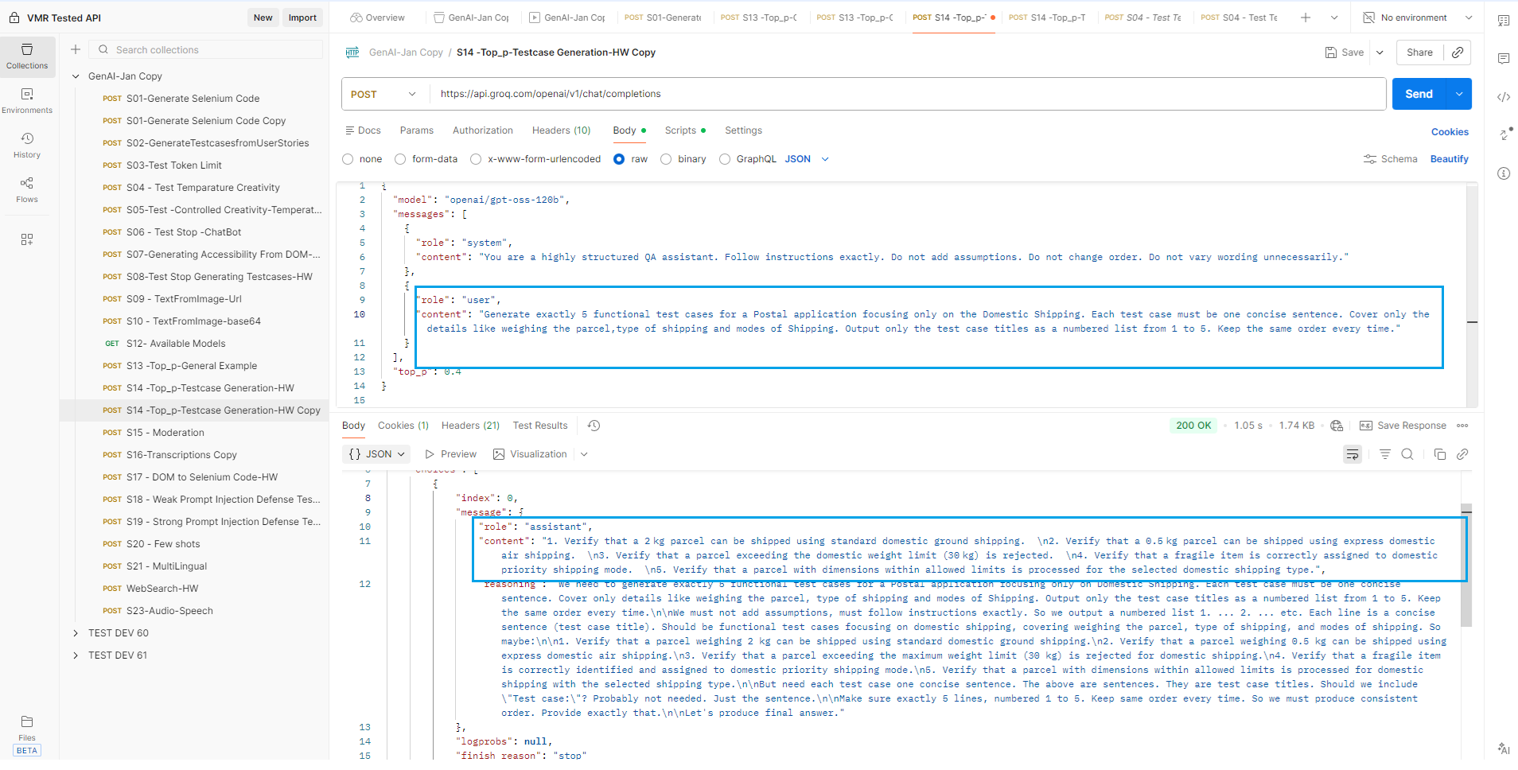
S14 -Top_p-Testcase Generation-HW

With Original model in the Collections "model": "meta-llama/llama-4-scout-17b-16e-instruct" | Changed the model to "openai/gpt-oss-120b"

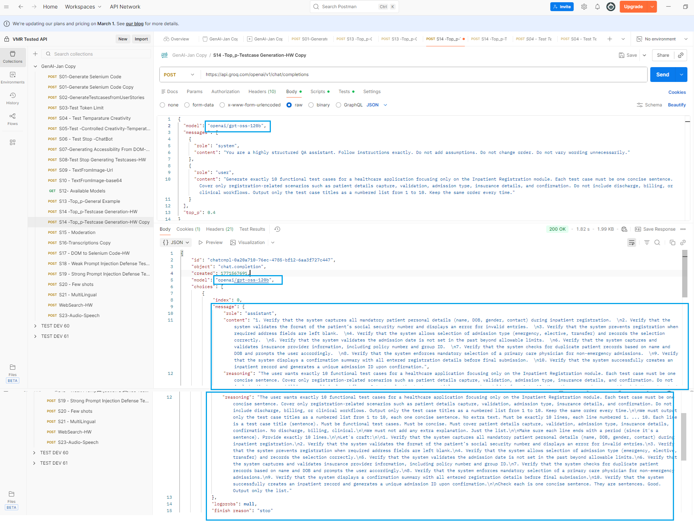

 | Contradictory statement within the prompt

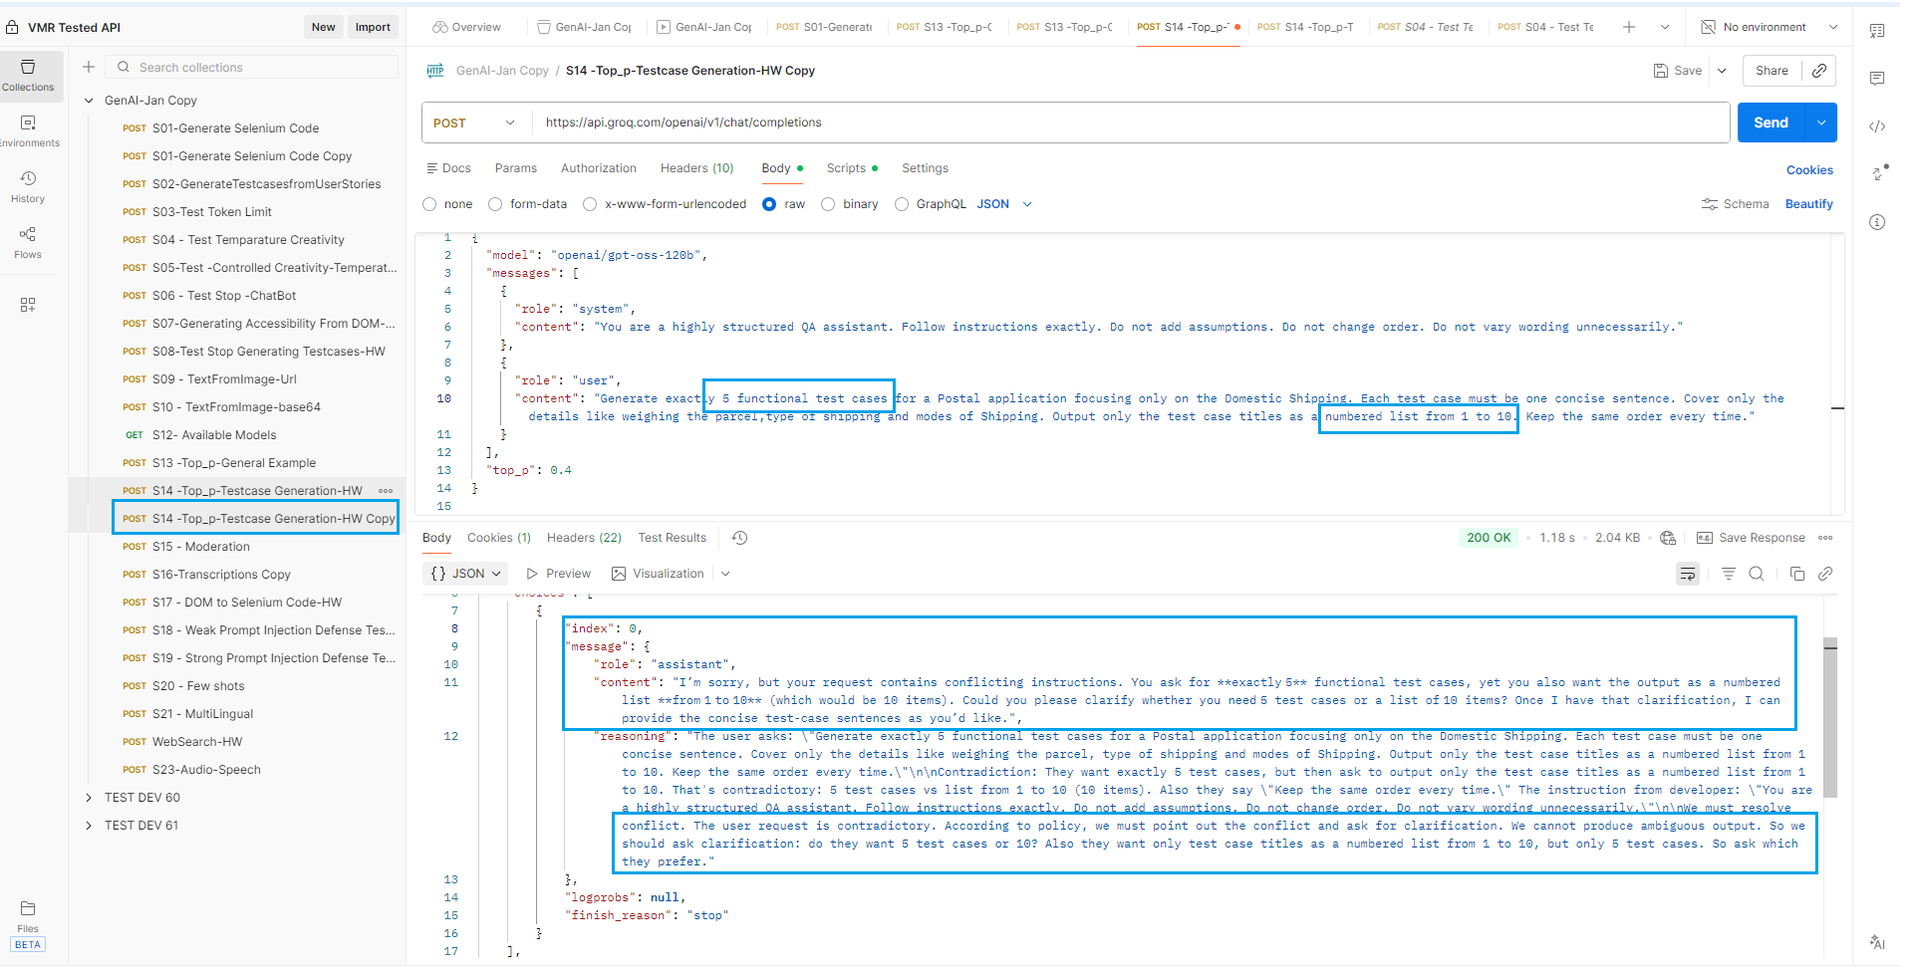

 | Verified for Shipping Application

S08-Test Stop Generating Testca
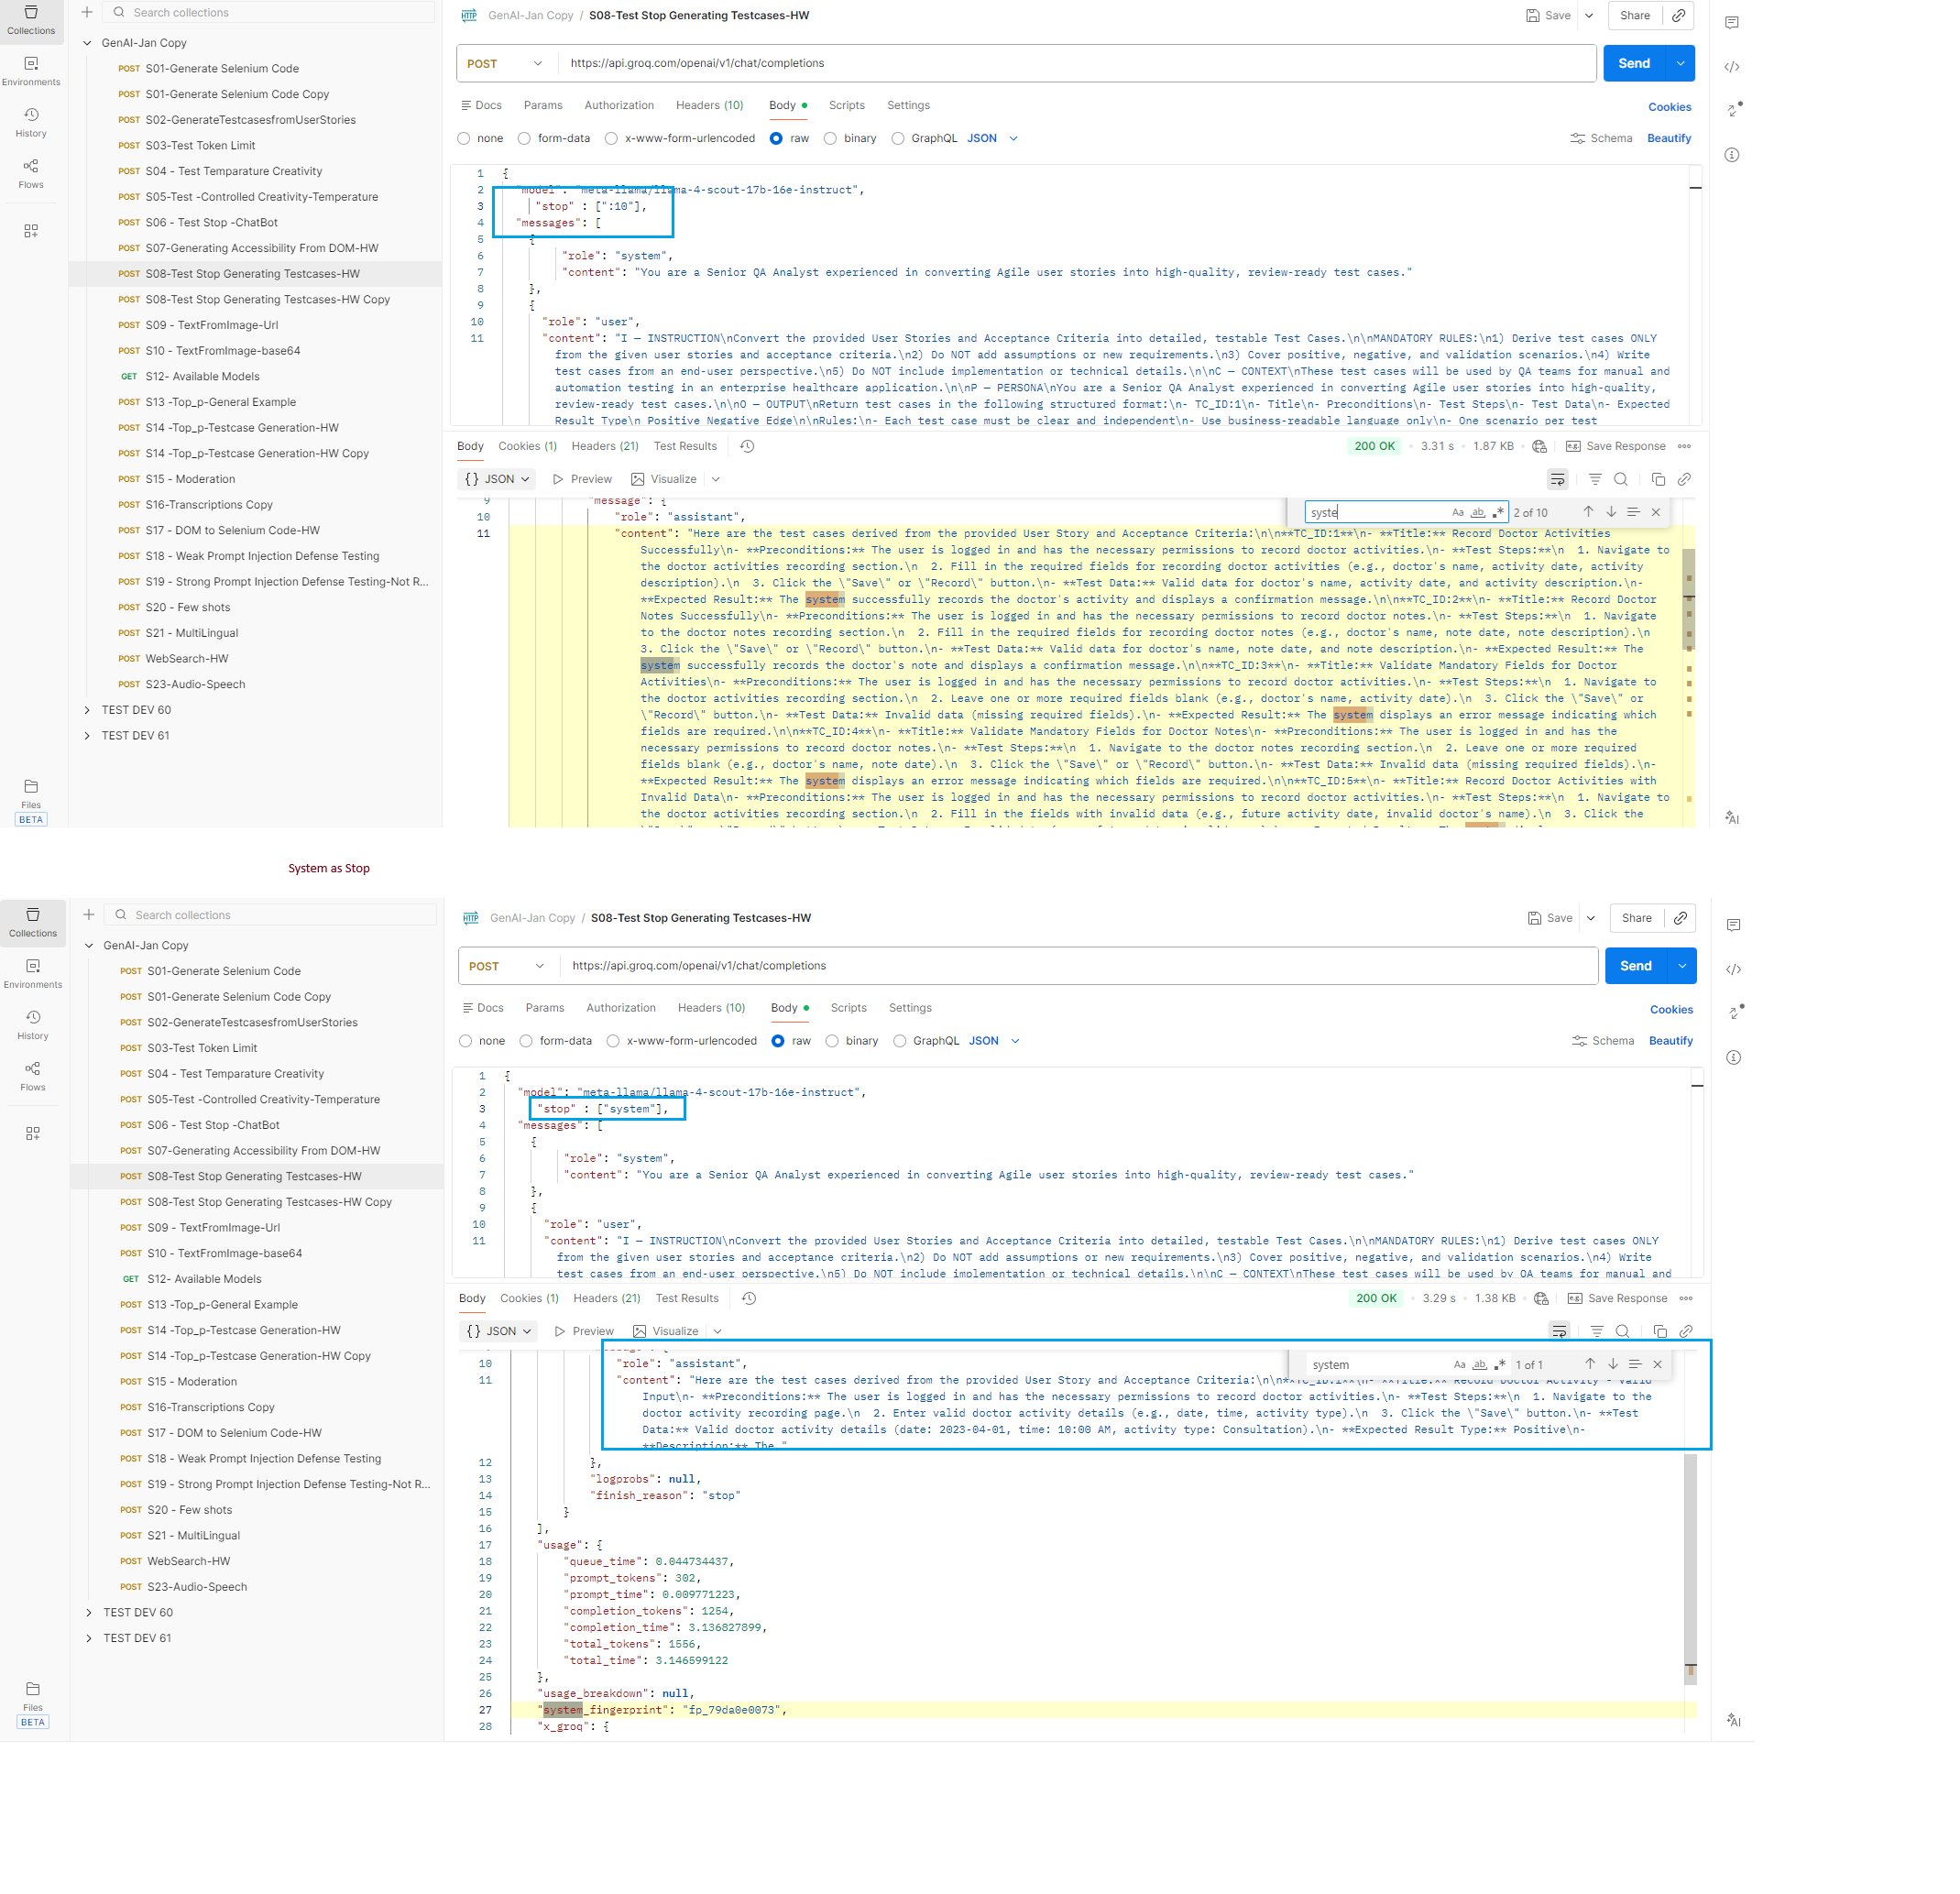
 |  | Changed the model to "openai/gpt-oss-120b"
S08-Test Stop Generating Testcases-HW | With Different model the Test Case ID generated is not as per the Input-Prompt
With Original model in the Collections "model": "meta-llama/llama-4-scout-17b-16e-instruct"
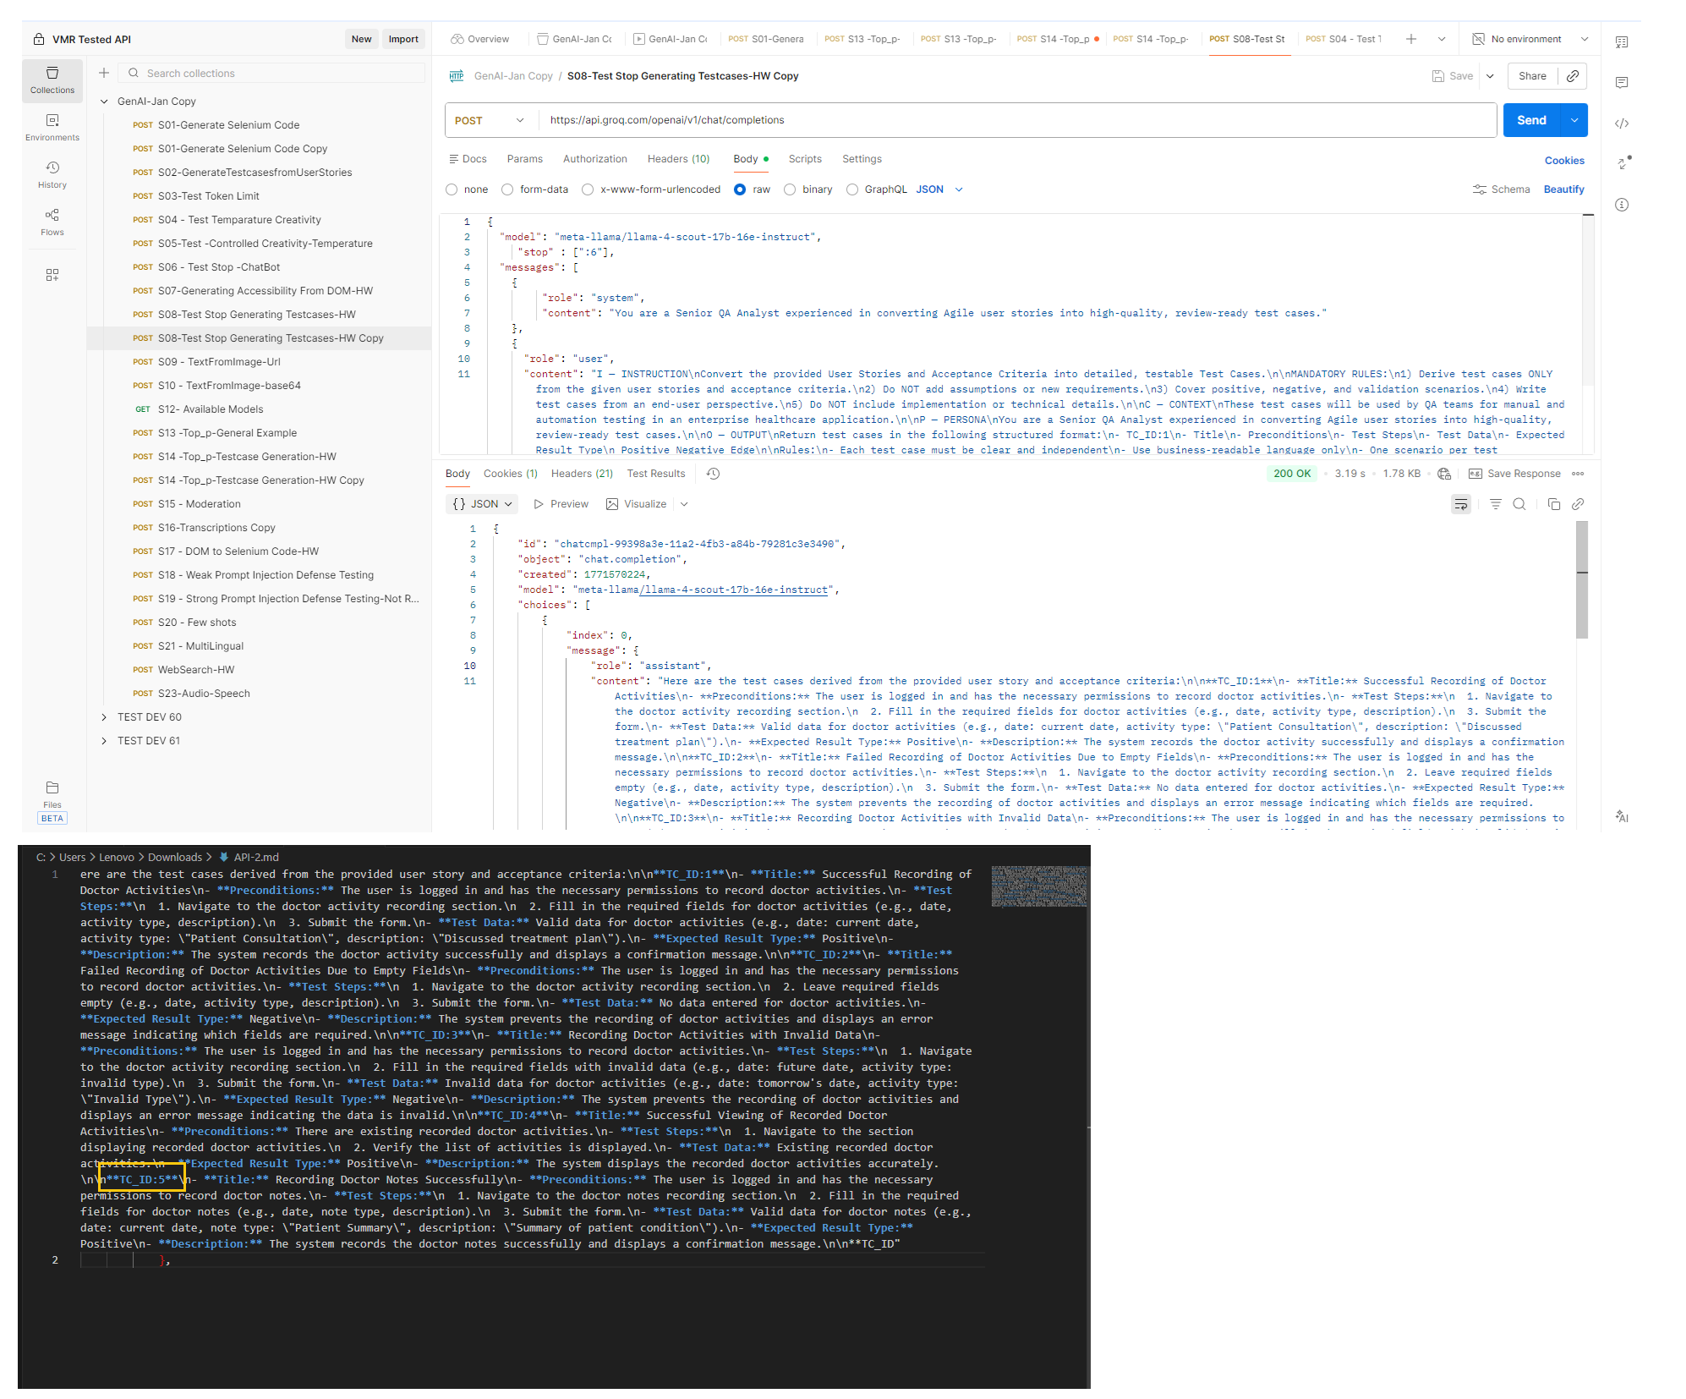
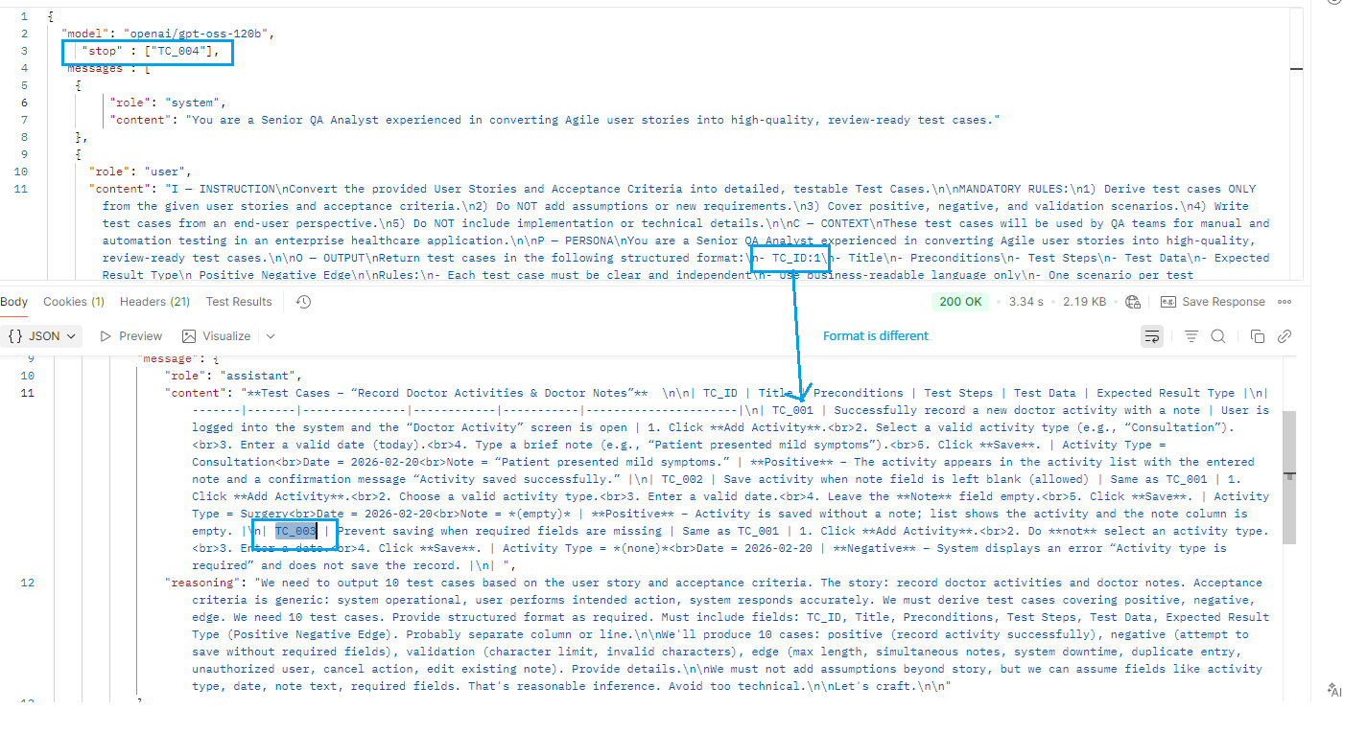

With System as Stop word

S07-Generating Accessibility Fr
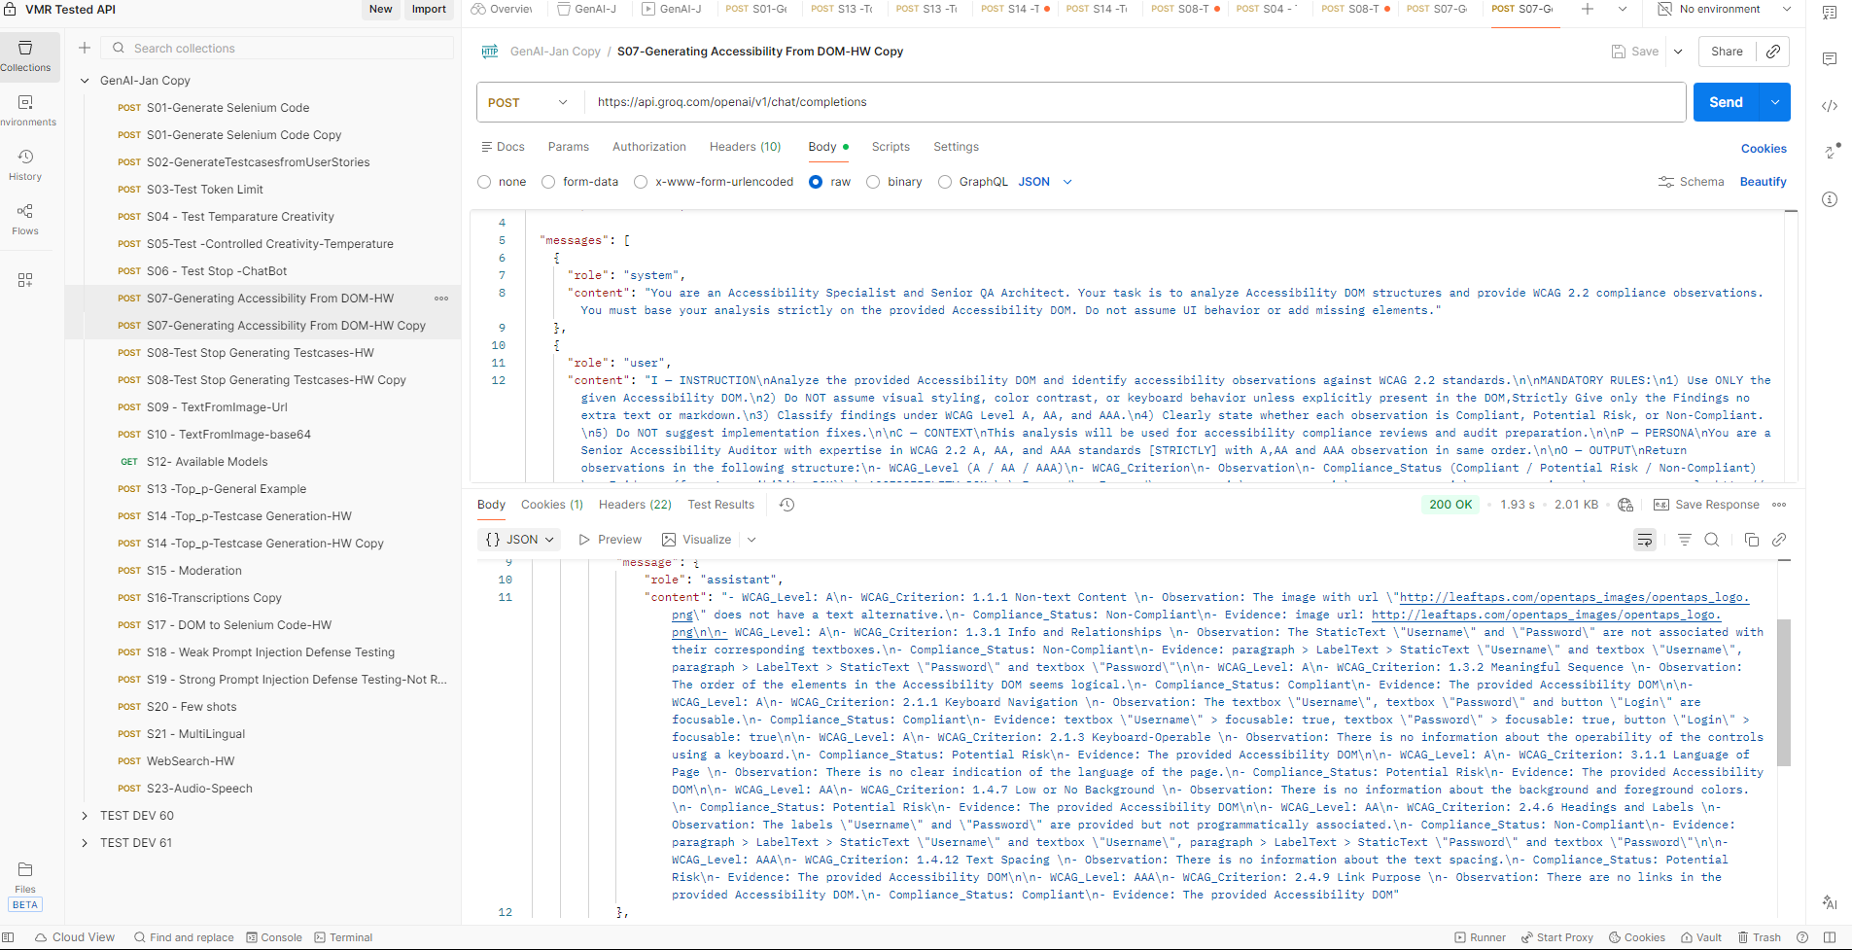
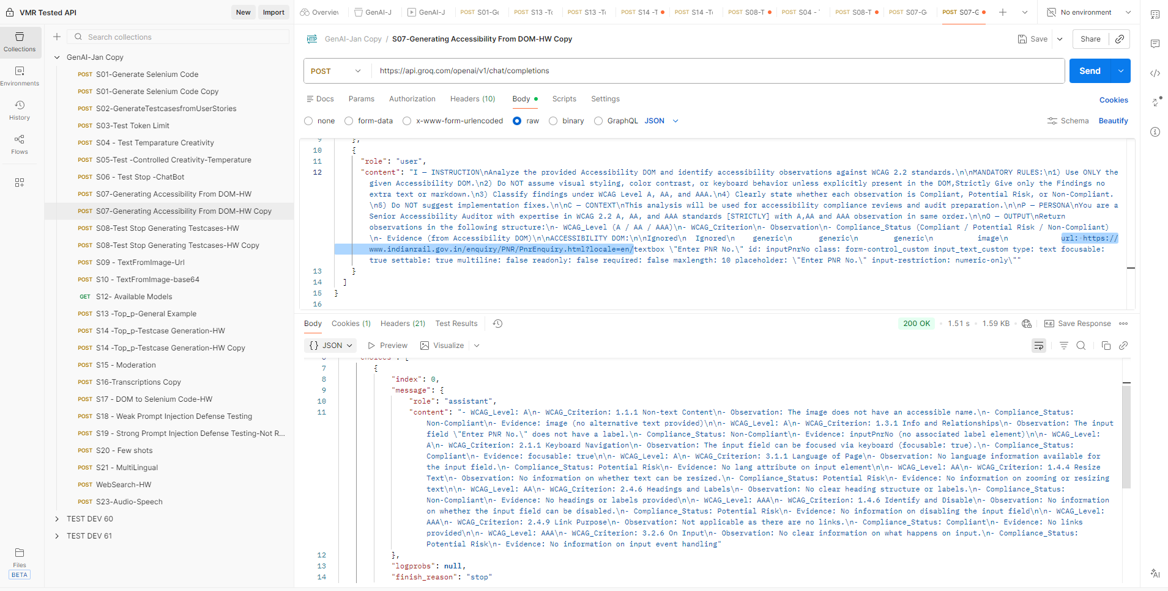
S07-Generating Accessibility From DOM-HW
With Original model in the Collections "model": "meta-llama/llama-4-scout-17b-16e-instruct" | Tried with IRCTC-PNR no. Text field

WebSearch-HW
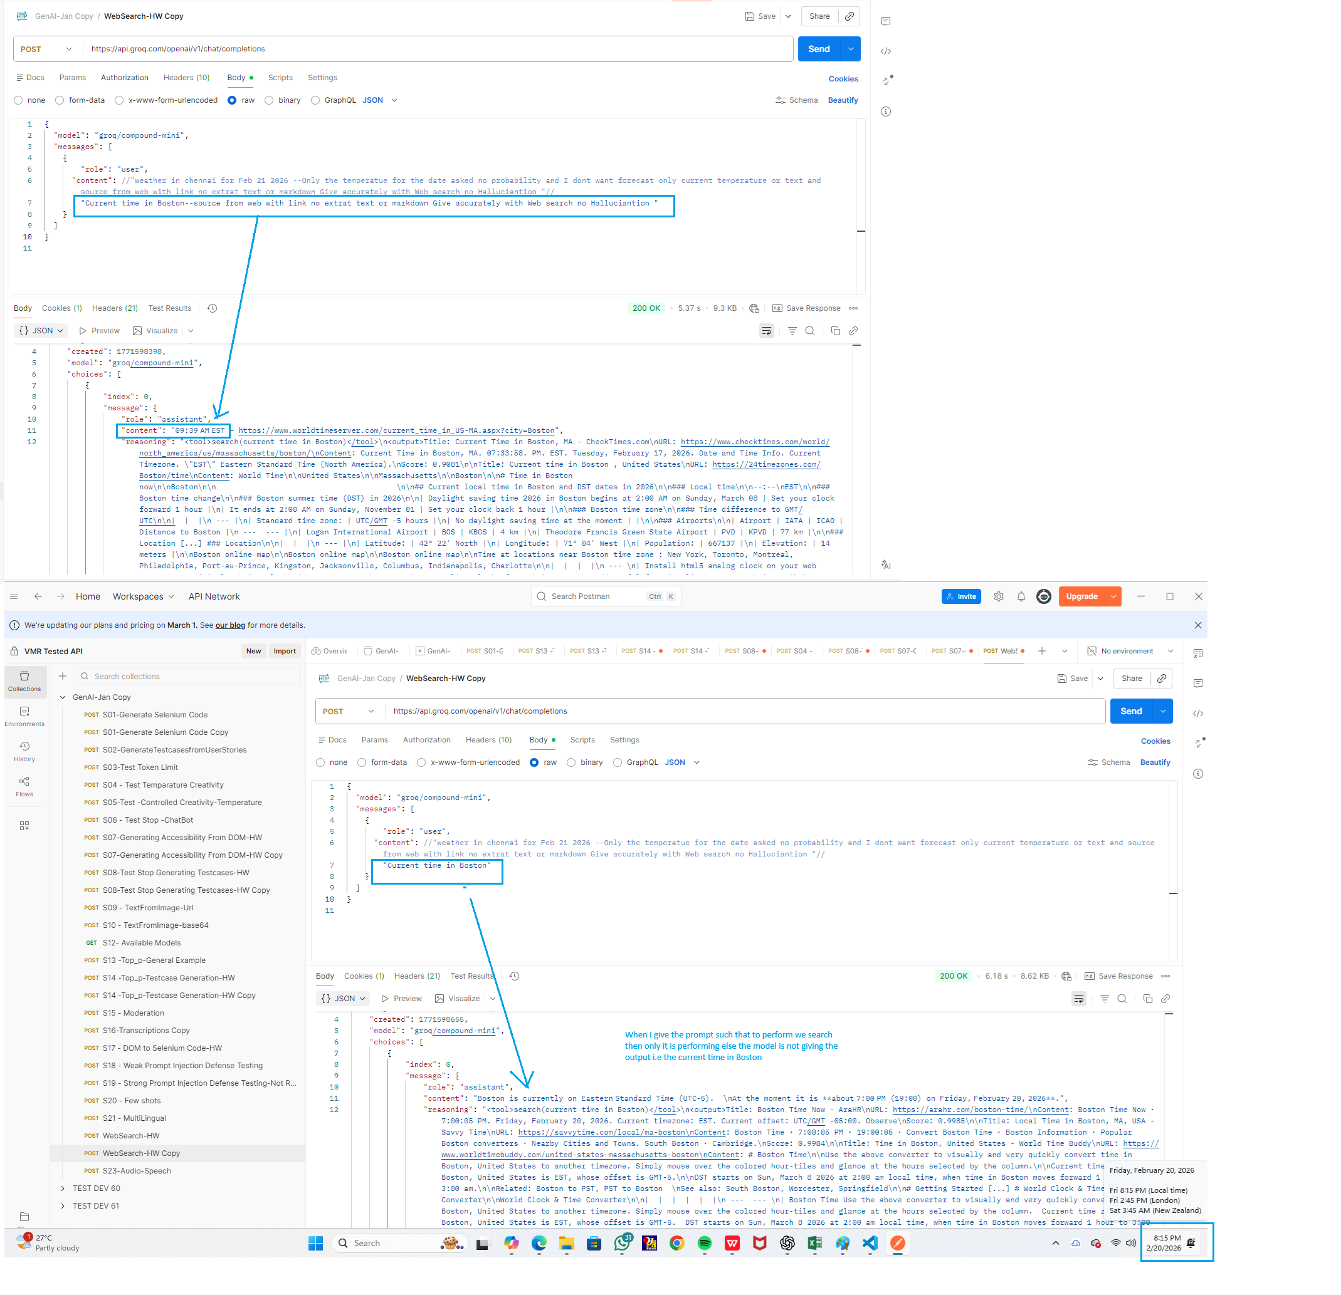
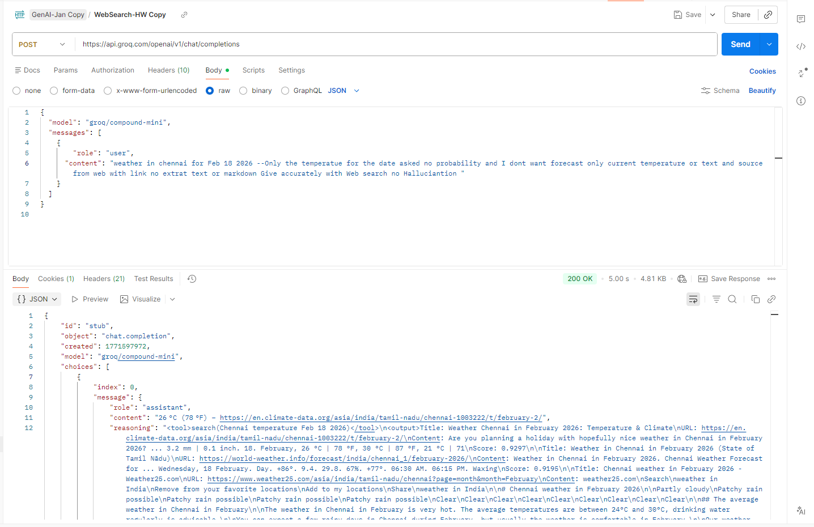
Based on the prompt only web search/tooling happens but not with general prompt as Current time in Boston as in the screenshot below

S17 - DOM to Selenium Code-HW C
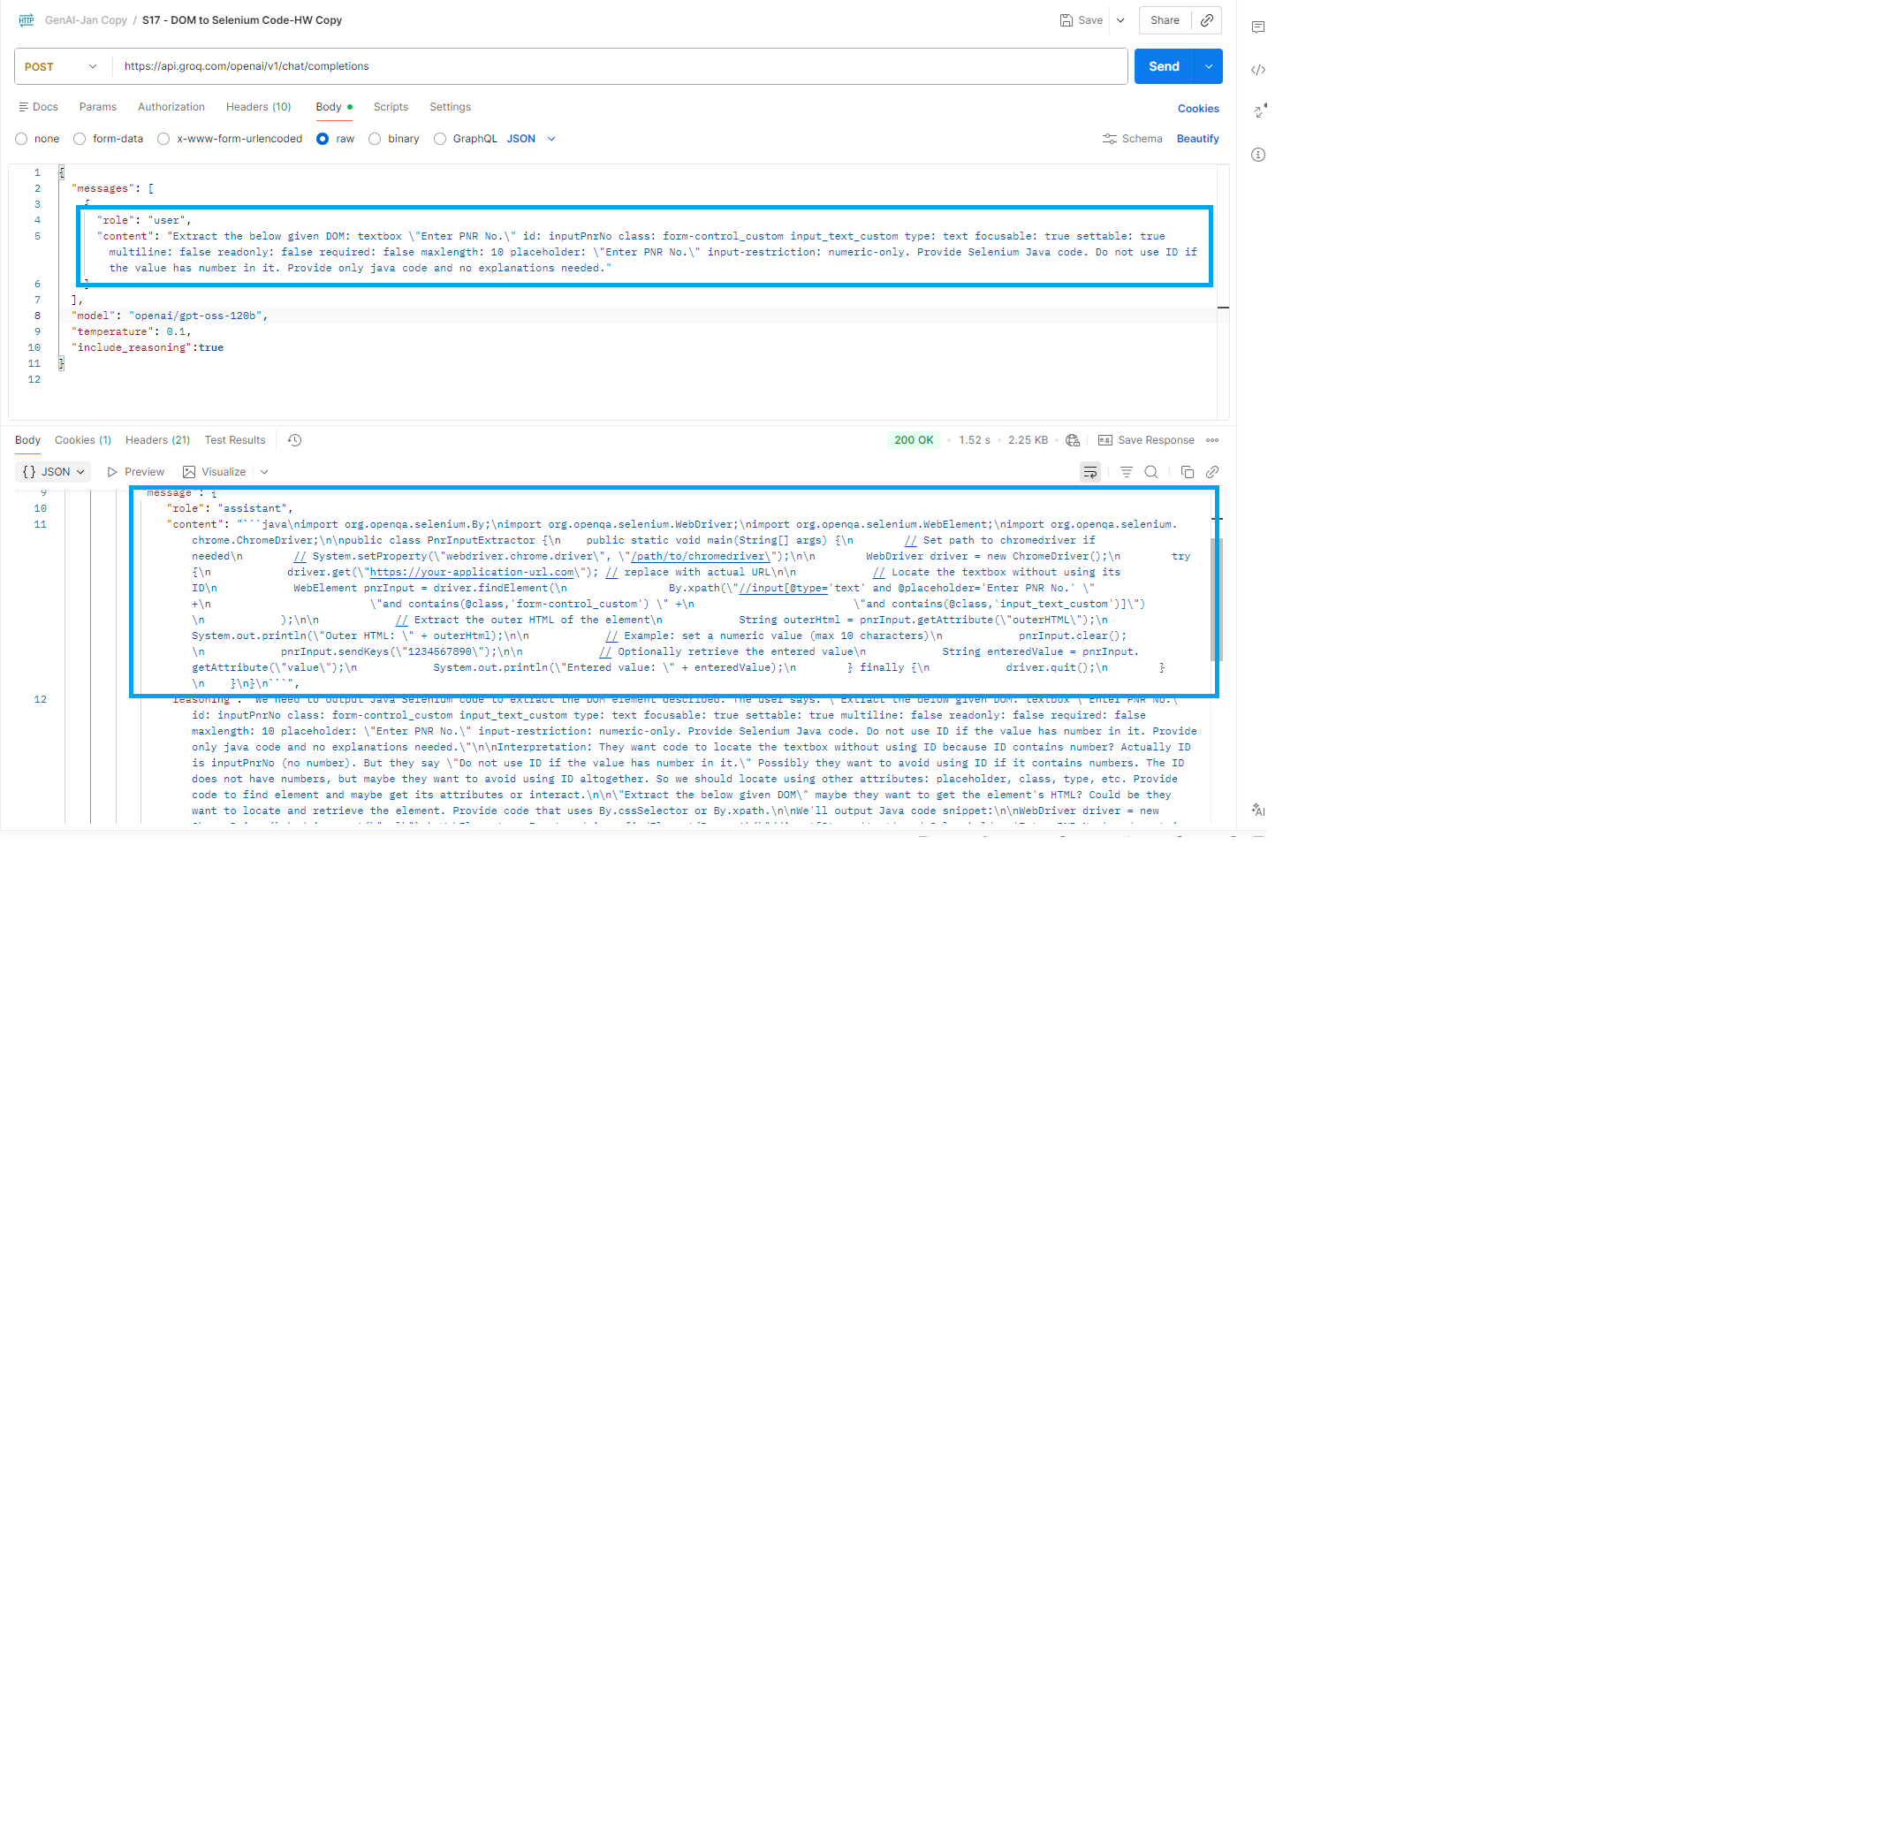
S17 - DOM to Selenium Code-HW

